5200K Details
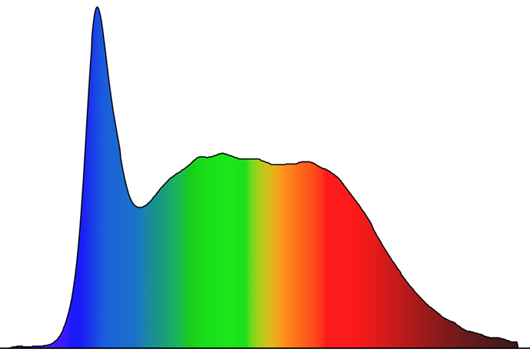
Wavelength(nm) | Spectral Data | CRI | R9 | Duv | M/P Ratio | m-DER | CS @ 1000lux | Melanopic Lux @ 1000lux | Designed Spectrum Shape
380 | 0.0000000000 | 94 | 84 | 0.0016 | 0.967 | 0.881 | 0.562 | 878
381 | 0.0000000000
382 | 0.0000000000
383 | 0.0000000000
384 | 0.0000000000
385 | 0.0000000000
386 | 0.0000000000
387 | 0.0000000000
388 | 0.0000024668
389 | 0.0000118799
390 | 0.0000200528
391 | 0.0000269933
392 | 0.0000327070
393 | 0.0000372006
394 | 0.0000404981
395 | 0.0000426416
396 | 0.0000436748
397 | 0.0000436429
398 | 0.0000427142
399 | 0.0000412836
400 | 0.0000397705
401 | 0.0000385941
402 | 0.0000380626
403 | 0.0000381220
404 | 0.0000386455
405 | 0.0000395061
406 | 0.0000405871
407 | 0.0000418307
408 | 0.0000432000
409 | 0.0000446583
410 | 0.0000461671
411 | 0.0000476763
412 | 0.0000491277
413 | 0.0000504630
414 | 0.0000516326
415 | 0.0000528322
416 | 0.0000545098
417 | 0.0000571231
418 | 0.0000611292
419 | 0.0000669160
420 | 0.0000747515
421 | 0.0000848913
422 | 0.0000975921
423 | 0.0001131190
424 | 0.0001317390
425 | 0.0001537280
426 | 0.0001793620
427 | 0.0002089200
428 | 0.0002427820
429 | 0.0002813420
430 | 0.0003249980
431 | 0.0003742310
432 | 0.0004304150
433 | 0.0004954510
434 | 0.0005712460
435 | 0.0006596510
436 | 0.0007625310
437 | 0.0008817650
438 | 0.0010191750
439 | 0.0011765580
440 | 0.0013562480
441 | 0.0015617590
442 | 0.0017966250
443 | 0.0020643830
444 | 0.0023671580
445 | 0.0027016130
446 | 0.0030631600
447 | 0.0034472150
448 | 0.0038484360
449 | 0.0042549340
450 | 0.0046517930
451 | 0.0050240960
452 | 0.0053571300
453 | 0.0056403170
454 | 0.0058668940
455 | 0.0060302470
456 | 0.0061238200
457 | 0.0061467430
458 | 0.0061083200
459 | 0.0060189090
460 | 0.0058888690
461 | 0.0057282390
462 | 0.0055458920
463 | 0.0053504320
464 | 0.0051504650
465 | 0.0049540750
466 | 0.0047650710
467 | 0.0045852570
468 | 0.0044164330
469 | 0.0042602430
470 | 0.0041153310
471 | 0.0039776420
472 | 0.0038430250
473 | 0.0037073610
474 | 0.0035691900
475 | 0.0034316780
476 | 0.0032984570
477 | 0.0031731570
478 | 0.0030587830
479 | 0.0029561110
480 | 0.0028654220
481 | 0.0027869990
482 | 0.0027210360
483 | 0.0026669550
484 | 0.0026238360
485 | 0.0025907610
486 | 0.0025668000
487 | 0.0025509220
488 | 0.0025420000
489 | 0.0025389020
490 | 0.0025405010
491 | 0.0025459060
492 | 0.0025546350
493 | 0.0025662420
494 | 0.0025802840
495 | 0.0025964380
496 | 0.0026148050
497 | 0.0026355720
498 | 0.0026589300
499 | 0.0026849880
500 | 0.0027132610
501 | 0.0027429950
502 | 0.0027734360
503 | 0.0028038500
504 | 0.0028338600
505 | 0.0028634030
506 | 0.0028924290
507 | 0.0029208830
508 | 0.0029486080
509 | 0.0029752660
510 | 0.0030005060
511 | 0.0030239790
512 | 0.0030454490
513 | 0.0030650800
514 | 0.0030831170
515 | 0.0030998030
516 | 0.0031153930
517 | 0.0031302210
518 | 0.0031446530
519 | 0.0031590550
520 | 0.0031737830
521 | 0.0031889950
522 | 0.0032046780
523 | 0.0032208170
524 | 0.0032373950
525 | 0.0032545450
526 | 0.0032726400
527 | 0.0032920720
528 | 0.0033132350
529 | 0.0033361650
530 | 0.0033597440
531 | 0.0033826220
532 | 0.0034034480
533 | 0.0034209810
534 | 0.0034347520
535 | 0.0034446180
536 | 0.0034504370
537 | 0.0034521190
538 | 0.0034504650
539 | 0.0034470150
540 | 0.0034433310
541 | 0.0034409690
542 | 0.0034408700
543 | 0.0034429820
544 | 0.0034471720
545 | 0.0034533010
546 | 0.0034611450
547 | 0.0034701580
548 | 0.0034797420
549 | 0.0034892990
550 | 0.0034982160
551 | 0.0035056920
552 | 0.0035108410
553 | 0.0035127790
554 | 0.0035106590
555 | 0.0035046920
556 | 0.0034963040
557 | 0.0034869820
558 | 0.0034782150
559 | 0.0034709310
560 | 0.0034644920
561 | 0.0034579870
562 | 0.0034505030
563 | 0.0034413220
564 | 0.0034311410
565 | 0.0034213180
566 | 0.0034132150
567 | 0.0034081520
568 | 0.0034062640
569 | 0.0034064110
570 | 0.0034073890
571 | 0.0034079940
572 | 0.0034075140
573 | 0.0034065340
574 | 0.0034058510
575 | 0.0034062610
576 | 0.0034083610
577 | 0.0034113580
578 | 0.0034138490
579 | 0.0034144260
580 | 0.0034117310
581 | 0.0034056240
582 | 0.0033972130
583 | 0.0033876650
584 | 0.0033781450
585 | 0.0033693930
586 | 0.0033610900
587 | 0.0033527520
588 | 0.0033438990
589 | 0.0033342040
590 | 0.0033243540
591 | 0.0033154600
592 | 0.0033086350
593 | 0.0033049440
594 | 0.0033043940
595 | 0.0033059600
596 | 0.0033085750
597 | 0.0033111740
598 | 0.0033130550
599 | 0.0033143680
600 | 0.0033153880
601 | 0.0033163890
602 | 0.0033175920
603 | 0.0033188730
604 | 0.0033199820
605 | 0.0033206670
606 | 0.0033207100
607 | 0.0033204880
608 | 0.0033209300
609 | 0.0033229870
610 | 0.0033276070
611 | 0.0033350110
612 | 0.0033438210
613 | 0.0033524570
614 | 0.0033593390
615 | 0.0033631650
616 | 0.0033642300
617 | 0.0033634000
618 | 0.0033615410
619 | 0.0033594710
620 | 0.0033570560
621 | 0.0033533500
622 | 0.0033473840
623 | 0.0033381970
624 | 0.0033255820
625 | 0.0033108770
626 | 0.0032956140
627 | 0.0032813240
628 | 0.0032692320
629 | 0.0032589530
630 | 0.0032495710
631 | 0.0032401760
632 | 0.0032298940
633 | 0.0032184290
634 | 0.0032059600
635 | 0.0031926800
636 | 0.0031787850
637 | 0.0031643030
638 | 0.0031488090
639 | 0.0031318260
640 | 0.0031128800
641 | 0.0030915540
642 | 0.0030680070
643 | 0.0030427190
644 | 0.0030161720
645 | 0.0029888460
646 | 0.0029610200
647 | 0.0029325970
648 | 0.0029034390
649 | 0.0028734100
650 | 0.0028424180
651 | 0.0028106920
652 | 0.0027785950
653 | 0.0027464890
654 | 0.0027147320
655 | 0.0026833770
656 | 0.0026520510
657 | 0.0026203490
658 | 0.0025878680
659 | 0.0025542900
660 | 0.0025197470
661 | 0.0024845050
662 | 0.0024488290
663 | 0.0024129730
664 | 0.0023768180
665 | 0.0023398550
666 | 0.0023015560
667 | 0.0022613960
668 | 0.0022191730
669 | 0.0021754660
670 | 0.0021311400
671 | 0.0020870580
672 | 0.0020439370
673 | 0.0020018180
674 | 0.0019605970
675 | 0.0019201640
676 | 0.0018803980
677 | 0.0018411170
678 | 0.0018021300
679 | 0.0017632460
680 | 0.0017244220
681 | 0.0016860090
682 | 0.0016484200
683 | 0.0016120690
684 | 0.0015770540
685 | 0.0015427920
686 | 0.0015086120
687 | 0.0014738490
688 | 0.0014383300
689 | 0.0014027740
690 | 0.0013679870
691 | 0.0013347680
692 | 0.0013032930
693 | 0.0012728170
694 | 0.0012425250
695 | 0.0012116180
696 | 0.0011800090
697 | 0.0011484830
698 | 0.0011178800
699 | 0.0010890060
700 | 0.0010618470
701 | 0.0010355490
702 | 0.0010092210
703 | 0.0009820220
704 | 0.0009540290
705 | 0.0009260810
706 | 0.0008990400
707 | 0.0008736800
708 | 0.0008502060
709 | 0.0008283960
710 | 0.0008079970
711 | 0.0007887560
712 | 0.0007703940
713 | 0.0007525950
714 | 0.0007350400
715 | 0.0007174090
716 | 0.0006994250
717 | 0.0006809430
718 | 0.0006618470
719 | 0.0006420210
720 | 0.0006214250
721 | 0.0006006560
722 | 0.0005806310
723 | 0.0005622690
724 | 0.0005464590
725 | 0.0005333320
726 | 0.0005221700
727 | 0.0005122100
728 | 0.0005026920
729 | 0.0004929590
730 | 0.0004825940
731 | 0.0004712240
732 | 0.0004584700
733 | 0.0004440600
734 | 0.0004283210
735 | 0.0004118030
736 | 0.0003950560
737 | 0.0003786250
738 | 0.0003630120
739 | 0.0003486770
740 | 0.0003360790
741 | 0.0003256750
742 | 0.0003175640
743 | 0.0003111950
744 | 0.0003059420
745 | 0.0003011840
746 | 0.0002963700
747 | 0.0002912500
748 | 0.0002856570
749 | 0.0002794230
750 | 0.0002724000
751 | 0.0002646380
752 | 0.0002563110
753 | 0.0002475980
754 | 0.0002386760
755 | 0.0002298420
756 | 0.0002215500
757 | 0.0002142660
758 | 0.0002084570
759 | 0.0002043980
760 | 0.0002017690
761 | 0.0002001310
762 | 0.0001990480
763 | 0.0001980930
764 | 0.0001969220
765 | 0.0001952310
766 | 0.0001927150
767 | 0.0001890770
768 | 0.0001841760
769 | 0.0001780310
770 | 0.0001706670
771 | 0.0001621130
772 | 0.0001526820
773 | 0.0001433260
774 | 0.0001350910
775 | 0.0001290240
776 | 0.0001258950
777 | 0.0001249440
778 | 0.0001249020
779 | 0.0001245020
780 | 0.0001225490

3850K Details
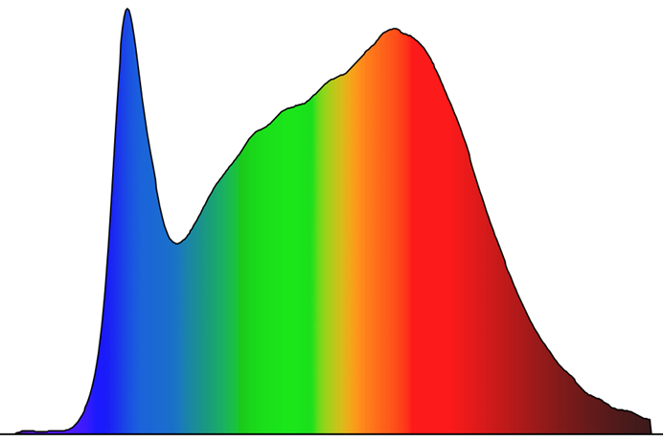
CRI | R9 | M/P Ratio | m-DER | CS | Melanopic Lux @ 1000lux | Designed Spectrum Shape
95 | 88 | 0.768 | 0.699 | 0.527 | 696

